Instructions
 |  | B2B semantic format

Introduction to the structure file formats

This document is organised in several sheets : - The "Version" sheet to consult the changes for each version delivered - The "Instructions" sheet - All other sheets are dedicated to all semantic formats (UBL / CII / Factur X FR CII D16B) Each format includes the structure of Flow 1 (Invoicing Data for the Tax Authority) and Flow 2 (Full invoice)

 | Column "ID" : is the unique field identifier which will always be referred to. It should never be amended.

 | Column "Cardinality" : indicates the number of possible relationships between two items of a data model. Its value can be single (1) or multiple (*).

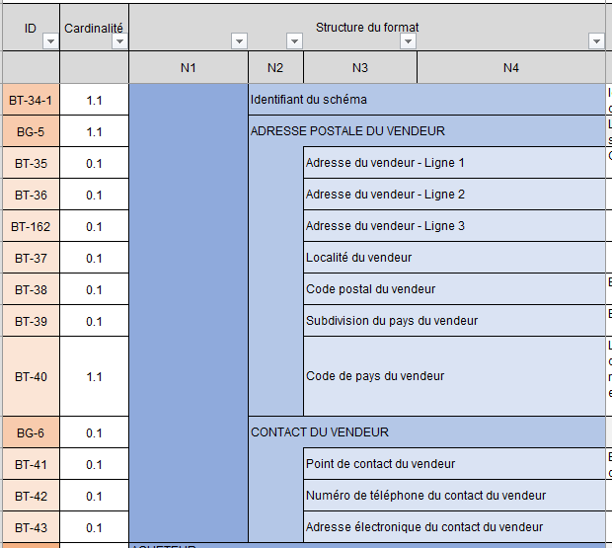
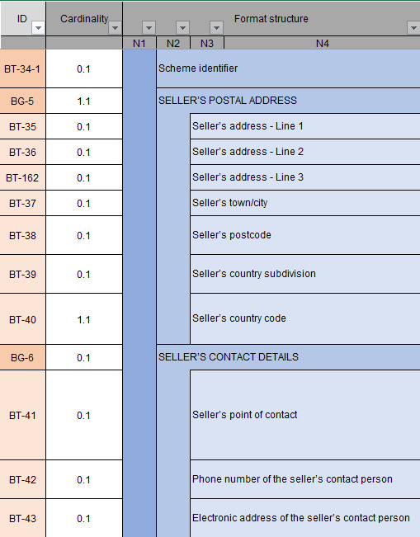
 | Columns “Format structure”: show the tree structure of the semantic format.
 | The data is grouped into blocks, which can themselves be grouped into blocks: together they constitute the semantic format.

 |  |  | For example, the consultation format is made up of six blocks, containing data or sub-blocks of data, at up to four levels of the tree structure. Data blocks are identified by an ID in the form BG (Business Group) while data is identified by an ID in the form BT (Business Term).

 | Columns "Standard path" : refers to the path of the referring standard

 | Columns “Logical type” and “Length”: indicate the characteristics of each data item. List of logical type values: Boolean, Date, identifier, list, number, text, etc.

 | Column “Values & Nomenclatures List”: indicates all possible values in the case of “list” type data. The values are detailed in Annex 7 - Management Rules. In some cases, a management rule may restrict the values

 | Column "Management rules to follow" : refers to the mangement rule(s) for each data

 | Column “Business Definition”: indicates the business definition for each data item.

 | Column “EN16931 usage note”: Indicates usage in the standard

 | Column (Only for flow 1 formats) “Trajectory”: Indicates the trajectory of the data that will be requested at start-up or in the target according to the timetable defined by the reform

 | Columns (Only for flow 2 formats): “CPRO EDI generic rules” & “CPRO EDI syntactic rules” : these are the specific management rules. Each management rule is codified and detailed in Annex 7 - Management Rules.

 | Column (Only for flow 1 formats): “CPRO EDI generic rules” & “CPRO EDI syntactic rules” : these are the specific management rules. Each management rule is codified and detailed in Annex 7 - Management Rules Coding of the management rules: - G: Rules applied for all flow formats - S: Syntactic rules - P: Recommended rules, i.e. good practices to be followed but which do not lead to rejection of the flow if they are not

 | Column (Only for flow 2 formats) : "Standard EN16931 rules" : these are the standard-specific management rules. Each management rule is codified and detailed in Annex 7 - Management Rules

 | Column (Only for flow 1 formats) : "Standard EN16931 rules" : these are the standard-specific management rules. Each management rule is codified and detailed in Annex 7 - Management Rules.

 | Column (Only for Factur-X format of Flow 2) “Profiles”: identification of the Factur-X profile type associated with each item of data.

 | Column (Only for Factur-X format of Flow 1) “Profiles”: identification of the Factur-X profile type associated with each item of data.

